1. Title Page
Instacart Grocery Basket Analysis

Project Name: Instacart Grocery Basket Analysis
Date: 04/23/2023
Analyst Name: Daniel Blum

Contents:
Population Flow
Consistency checks
Wrangling steps
Column derivations
Visualizations
Recommendations

2. Population Flow
Title page

Population flow

Exclusion flag
Condition: max_order < 5
Obervations to be removed: 163,161
Final total count of order_products_all: 194,950

Total: 30,356,421

Orders_products_combined
Orders_products_merged
Orders_products_all

Total: 30,328,763
Total: 194950

1.) The grey boxes in the first row of the population flow represent the original data sets as they were when you downloaded them. In the Total fields you need to add the count of the rows when you imported the data set into Jupyter.
2.) The second row of boxes (coloured) represents the data sets after you manipulated them, e.g., removed missing values and duplicates. In the Total fields you need to add the count of the rows after conducting these operations. This offers a visual oveview of how the data flows throughout the data consistency checks.
3.) The third row, where also the arrows are coloured, represents the merges you performed between the datasets. In the Total fields you need to add the count of the rows in the merged datasets, so that you end up with the final dataset (in the red box). Keep in mind the final dataset should be without exclusions (based on the exclusion flag).

3. Consistency checks
 |  |  |  | Title page
Consistency checks

Dataset | Missing values | Missing values treatment | Duplicates
orders | 206,209 | records removed | none
products | 16 | records removed | 5 removed
orders_products_prior | 0 | n/a | none
customers | 11,260 | records removed | none

4. Wrangling steps
 |  |  |  | Title page
Wrangling steps

Columns dropped | Columns renamed | Columns' type changed | Comment/Reason
 |  | user_id (orders) | changed from int64 to str
 |  | order_id (orders) | changed from int64 to str
eval_set |  |  | not needed
 | order_dow |  | name changed to 'orders_day_of_week
 |  | user_id (departments) | changed from int64 to str
 |  | order_id (departments) | changed from int64 to str
 | First Name |  | changed to first_name
 | Surnam |  | changed to last_name
 | Gender |  | changed to gender
 | STATE |  | changed to state
 | Age |  | changed to age
 | n_dependants |  | changed to dependants
 | fam_status |  | changed to marital status

5. Column derivations
 |  |  |  | Title page

Column derivations and aggregations

In this tab you should add tables below that the frequences of flags/label variables that you produced after deriving them. NB: don't do this for continuous variables, only for flags.
Dataset | New column | Column/s it was derived from | Conditions
df_ords_prods_merged | price_range_loc | prices | low-range' - <=5
 |  |  | mid-range' - <=15 & >5
 |  |  | high-range - >=15
df_ords_prods_merged | Busiest_days | orders_day_of_week | least busy' - ==4
 |  |  | regular busy' - <4 & >0
 |  |  | busiest day' - ==0
df_ords_prods_merged | Most_Orders | order_hour_of_day | fewest orders - 3 & 4
 |  |  | average orders - 7 & 20
 |  |  | most orders - 10 & 11
ords_prods_merge | avg_price | user_id & prices | mean of prices when grouped by the user_id
ords_prods_merge | max_order | user_id & order_number | maximum number of orders per user_id
ords_prods_merge | loyalty_flag | max_order | new customer' - <= 10
 |  |  | regular customer' - >10 & <=40
 |  |  | loyal customer' - >40
ords_prods_merge | spend_flag | avg_price | low spender' - <10
 |  |  | high spender' - >=10
ords_prods_merge | order_freq | user_id & days_since_prior_order | The median of days_since_prior_order when grouped by user_id
ords_prods_merge | freq_flag | order_freq | non-frequent customer' - >20
 |  |  | regular customer' - <=20 & >10
 |  |  | frequent customer' - <=10
cust_merged | Region | state | region 1 = states that occupy the northeast united states
 |  |  | region 2 = states that occupy the midwest united states
 |  |  | region 3 = states that occupy the southeast united states
 |  |  | region 4 = states that occupy the west united states
 |  |  | other region = locations not in the united states
cust_merged | age_category | age | young_adult - >=18 & <25
 |  |  | middle_age - >=25 & <40
 |  |  | older_adult - >=40 & <60
 |  |  | senior - 60+
cust_merged | income_category | income | low_income - <59,999
 |  |  | middle_income - >=60,000 & <=134,999
 |  |  | high_income - >135,000
cust_merged | dependants_category | dependants | no children - ==0
 |  |  | few children - 1 or 2
 |  |  | many children - 3+
cust_merged | bev_purchase | department | yes - == beverages
 |  |  | no - != beverages
cust_merged | produce_purchase | department | yes - == produce
 |  |  | no - != produce
cust_merged | snacks_purchase | department | yes - ==snacks
 |  |  | no - != snacks
cust_merged | time_of_order | order_hour_of_day | day = 7, 8, 9, 10, 11, 12, 13, 14, 15, 16, 17
 |  |  | evening = 18, 19, 20, 21, 22
 |  |  | night = 23, 0, 1, 2, 3, 4, 5, 6

6. Visualizations
 |  |  |  |  |  |  |  | Title page

Visualisations

Questions

1. What are the customer demographics which include income, age, and dependants?

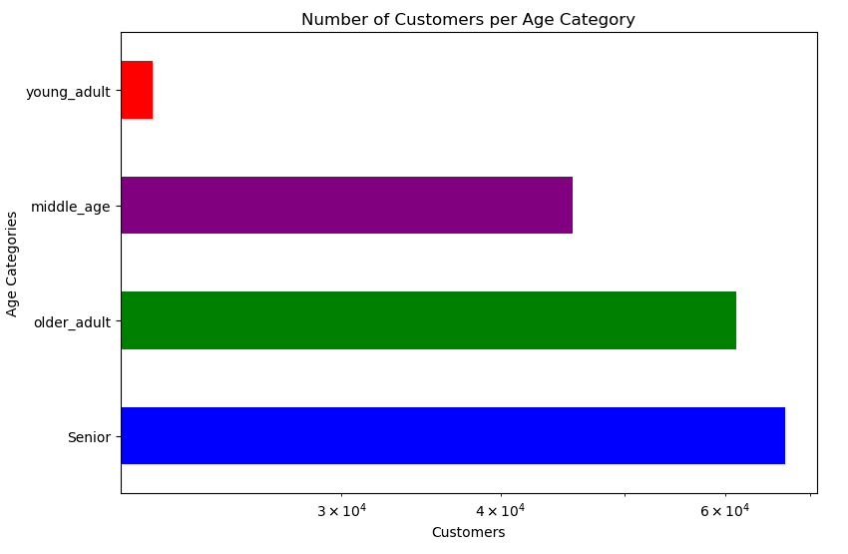
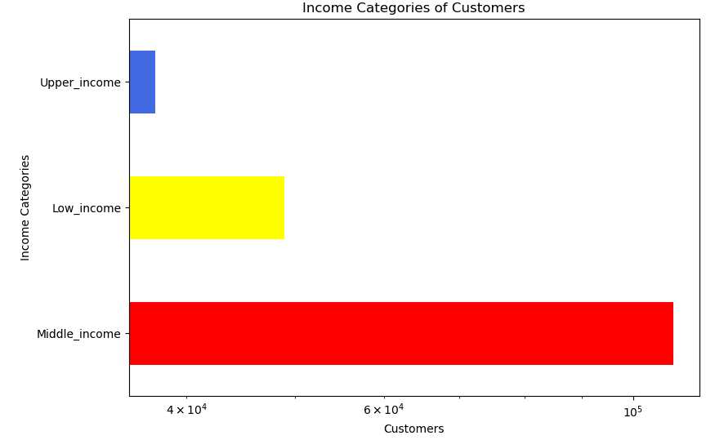
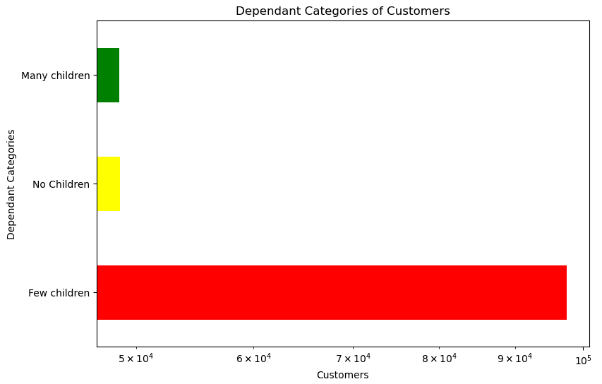

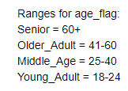
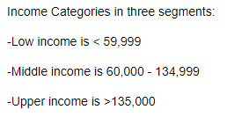

2. What days of the week and what time of the day is the busiest?

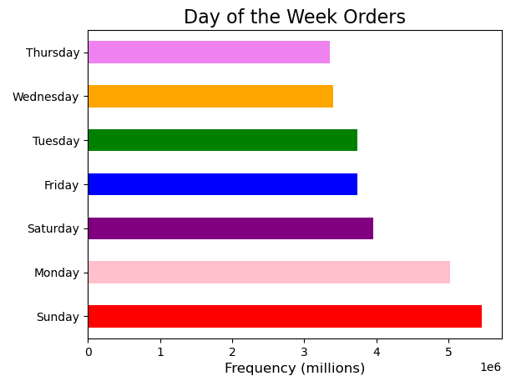

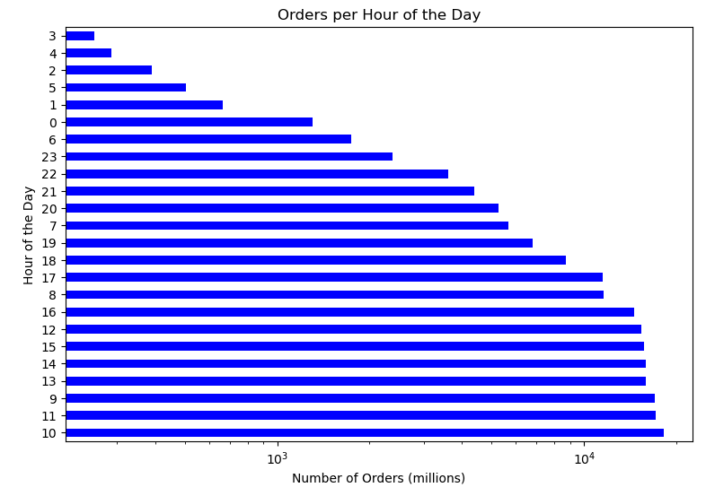

 | Observation: Most orders take place at 10 am and on Sundays.

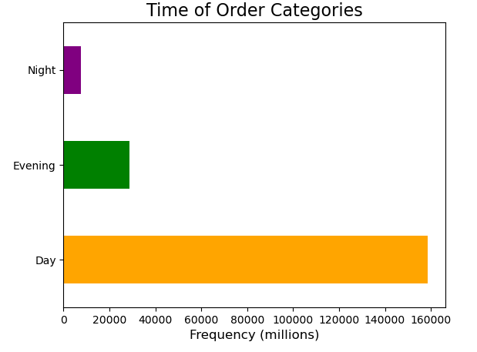

 |  |  | Night Hours = 23:00 - 06:59

 |  |  | Evening Hours = 18:00 - 22:59

 |  |  | Daytime Hours = 0700 - 17:59

 | Observation: Day time hours seem to be better suited for shoppers

 | 3. What day of the week do customers spend the most money?

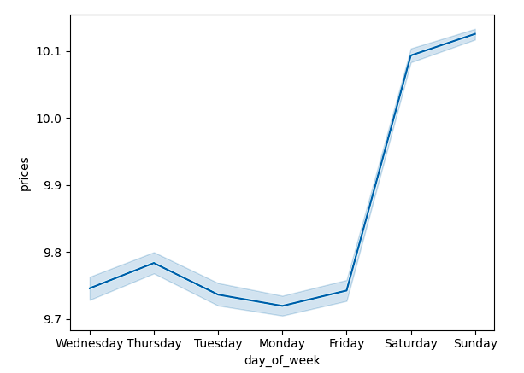

Observations: Customers spend the most money on Sunday. Saturday is the next highest.
 | It is safe to say that the most money is spent on the customers weekend off.

4. What are the price range categories for Instacart?

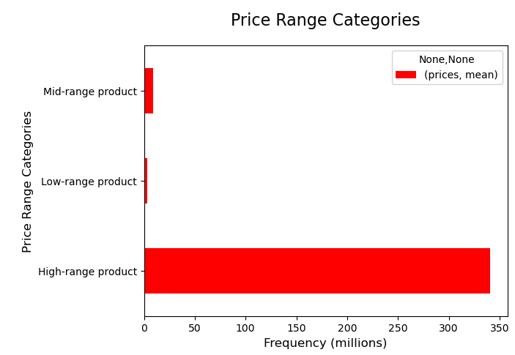
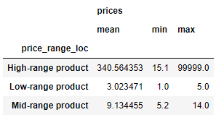

 |  |  |  |  |  | Low-range products = 0 - 5

 |  |  |  |  |  | mid-range products = 6 - 15

 |  |  |  |  |  | high-range products = 16 and greater

Observation: The categories are low-range, mid-range, and high-range products.
 | The high-range products are significantly more selected than the other two.

5. What is the marital status of the customers purchasing products?

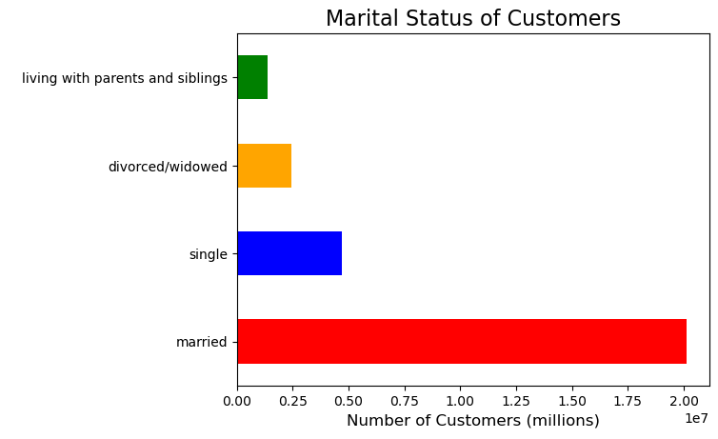

 |  | Observation: Majority of the customers who purchase products are married couples.

6. Are certain types of products more popular than others? Which departments have the highest frequency of product orders?
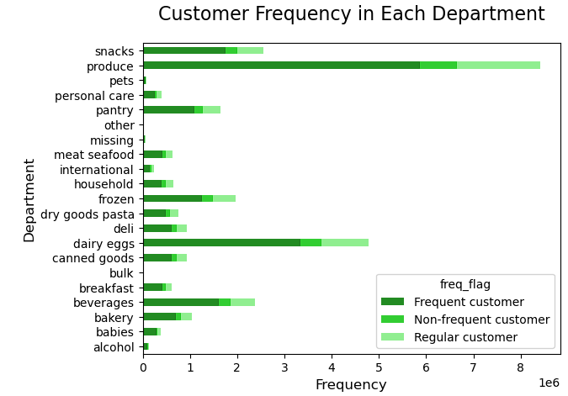
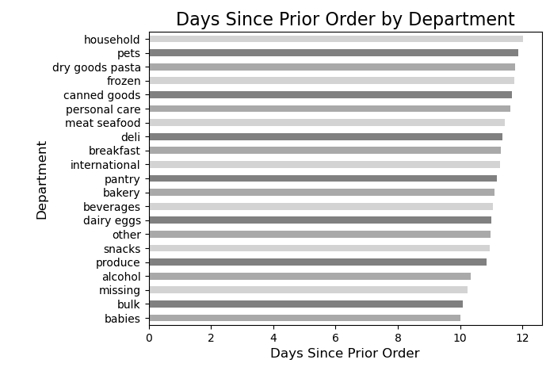
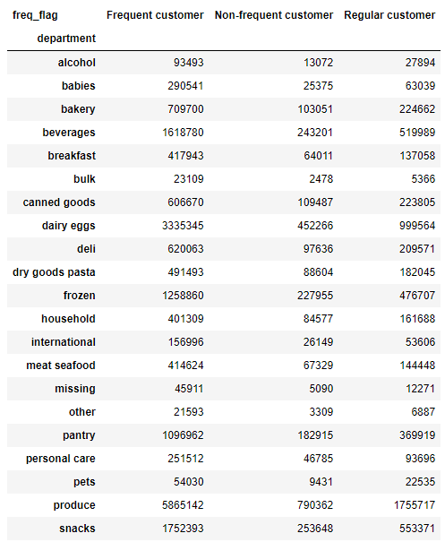
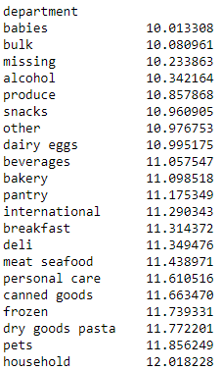

 | Observation: Baby items are the most popular for customers to buy. The frequency is about 10 days since the previous order. The most frequented is the produce department.

7. How does each department item compare to their average price?

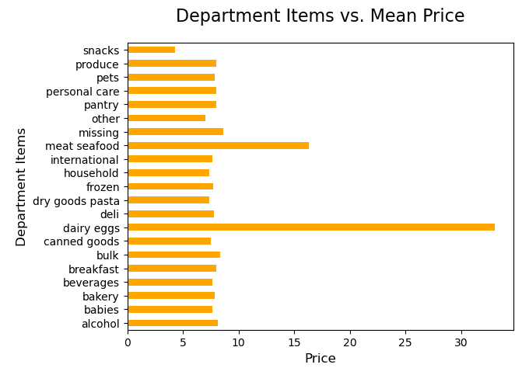

 | Observation: Out of the products, dairy eggs has the highest mean price.

8. What is the level of customer loyalty in each region?

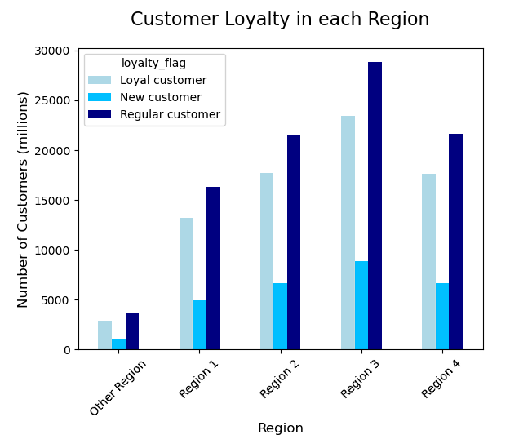

 |  |  |  | Region 1 = 'Maine', 'New Hampshire', 'Vermont', 'Massachusetts', 'Rhode Island', 'Connecticut', 'New York', 'Pennsylvania', 'New Jersey'

 |  |  |  | Region 2 = 'Wisconsin', 'Michigan', 'Illinois', 'Indiana', 'Ohio', 'North Dakota', 'South Dakota', 'Nebraska', 'Kansas', 'Minnesota', 'Iowa', 'Missouri'

 |  |  |  | Region 3 = 'Delaware', 'Maryland', 'Distric of Columbia', 'Virginia', 'West Virginia', 'North Carolina', 'South Carolina', 'Georgia', 'Florida','Kentucky',
 |  |  |  |  | 'Tennessee', 'Mississippi', 'Alabama', 'Oklahoma', 'Texas', 'Arkansas', 'Louisiana'

 |  |  |  | Region 4 = 'Idaho', 'Montana', 'Wyoming', 'Neveda', 'Utah', 'Colorado', 'Arizona', 'New Mexico', 'Alaska', 'Washington', 'Oregon', 'California', 'Hawaii'

 |  |  |  | Other Region = Areas outside the U.S. or areas not specified.

 |  |  |  | Loyalty Flag |  | Max number of orders
 |  |  |  | Loyal Customer |  |  | > 40
 |  |  |  | Regular Customer |  |  | > 10 & < = 40
 |  |  |  | New Customer |  |  | < = 10

9. What are the differences in the ordering habits based on the customer's loyalty?

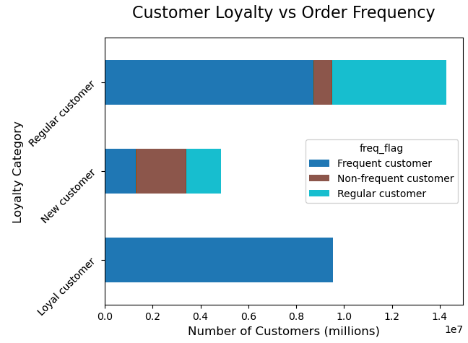

 |  |  |  |  |  | Frequency Flag |  |  | Frequency of Orders
 |  |  |  |  |  | Frequent Customer |  |  | > 20
 |  |  |  |  |  | Regular Customer |  |  | > 10 & < = 20
 |  |  |  |  |  | Non_Frequent Customer |  |  | < = 10

 | Observation: The loyal customers has more frequent orders, the new customers has more
 |  | non-frequent orders, and the regular customers has more frequent orders

10. What is the frequency of orders based on the region?

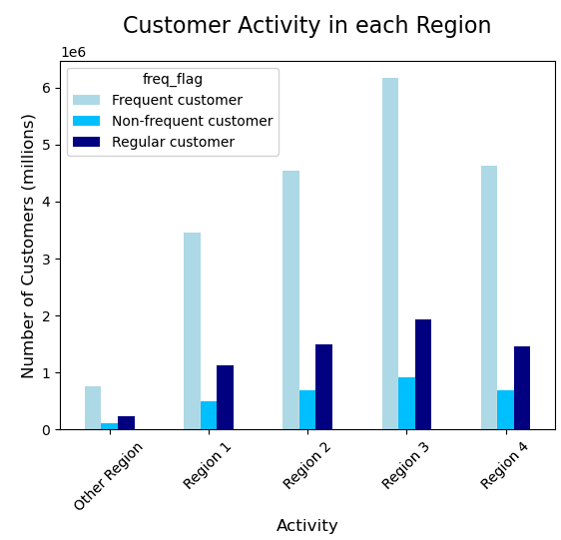

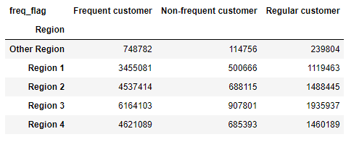

 | Observation: The frequent customer has the highest number of customers in each region
 |  | Especially in region 3

11. What are the differences in specific product purchases per region?

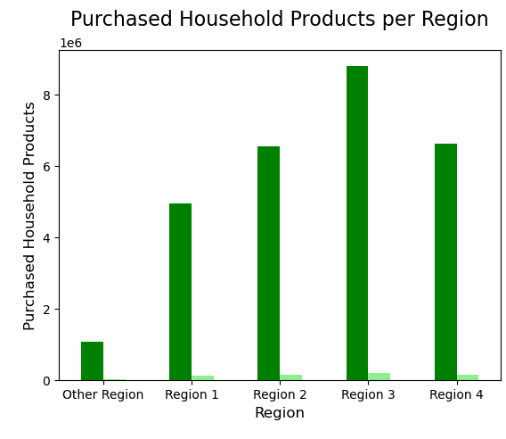

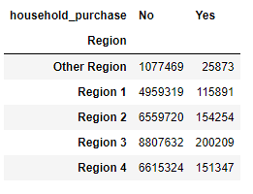

 | Observation: The most purchases and non-purchases are in Region 3. Overall, the non-purchases outweigh the purchases.

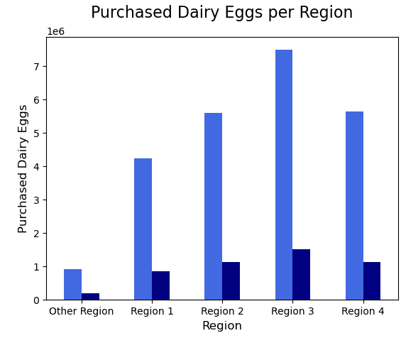

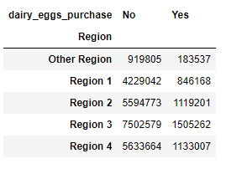

 | Observation: The most purchases and non-purchases are in Region 3. Overall, the non-purchases outweigh the purchases.

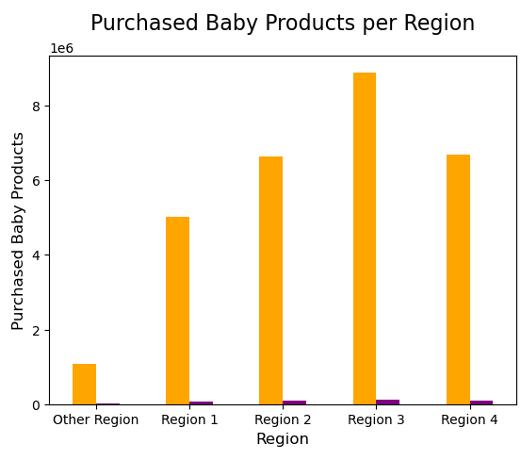

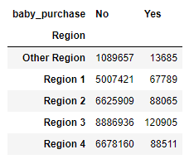

 | Observation: The most purchases and non-purchases are in Region 3. Overall, the non-purchases outweigh the purchases.

12. What is the difference in the three previous items as far as mean price and days since prior order?

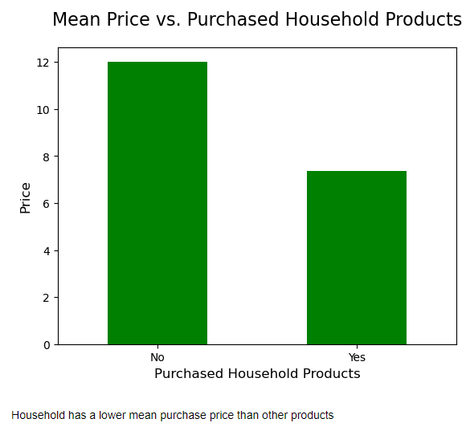
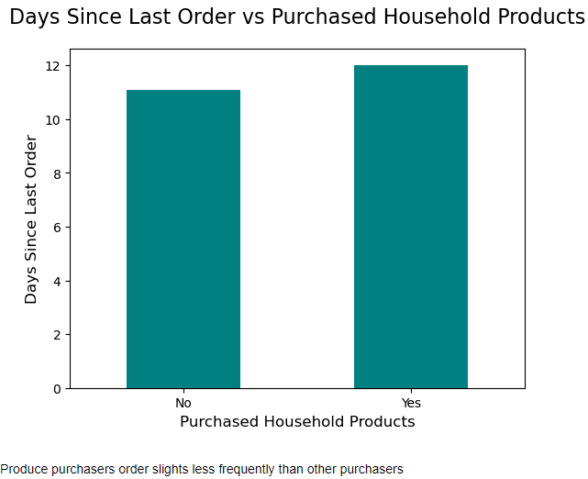
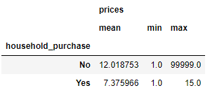

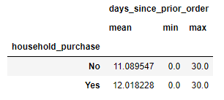

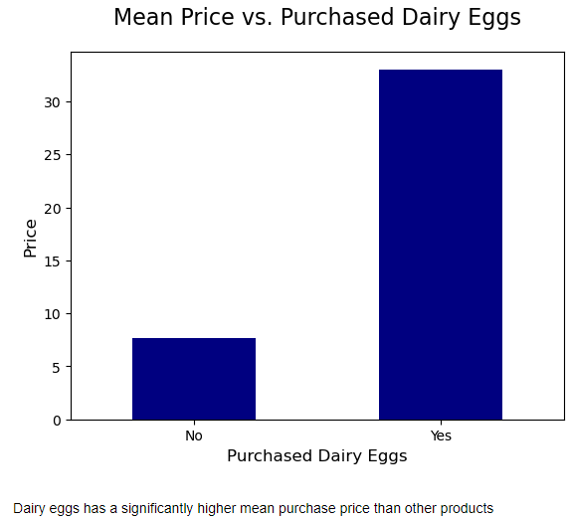
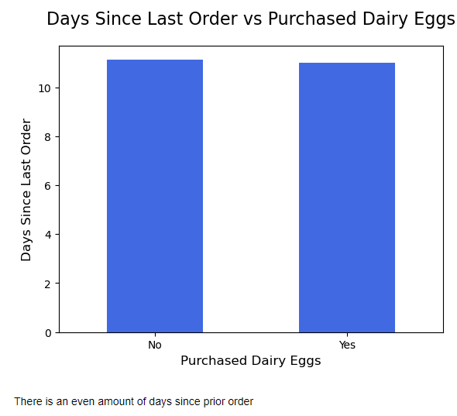

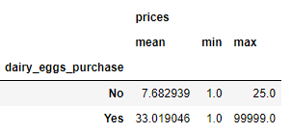
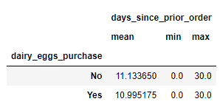

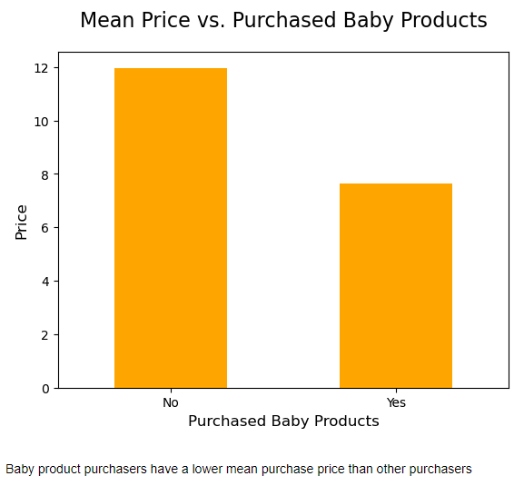
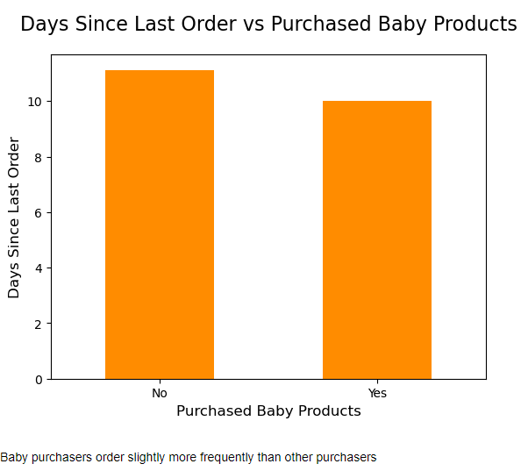

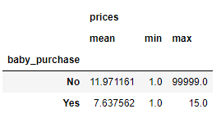

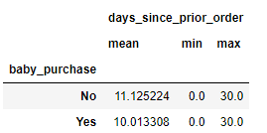

Observation: While the mean price was the highest in dairy eggs than in baby and household products,
 | the baby products was the highest in days since prior order.

7. Recommendations
 |  | Title page

Recommendations

Key Question 1 : What are the customer demographics which include income, age, and dependants?

Answer: The customer demographics include information over the Instacart purchasing customers based on age, income, and number of dependants. |  |  | Key Question 7

Recommendations: Based on the demographics, the areas to focus products and advertisements should be seniors and middle income families with 1 to 2 children.

Key Question 2 : What days of the week and what time of the day is the busiest?

Answer: The busiest time of the day is at 10 am daily and the busiest day is Sunday.

Recommendations: Extra staff for customer service and check out should be available daily around 10 am. Discounts and other store price deals should be offered on Sundays.

Key Question 3: What day of the week do customers spend the most money?

Answer: Based on the amount spent, Sundays have the most.

Recommendations: Advertisements may need to show deals on other days of the week to bring in more customers througout the week.

Key Question 4: What are the price range categories for Instacart?

Answer: The categories are low-range, mid-range, and high-range products. The high-range products are significantly more selected than the other two.

Recommendations: You need incorporate more mid-range and low-range products to bring in customers of low income status.

Key Question 5: What is the marital status of the customers purchasing products?

Answer: The categories are married, single, divorced/widowed, and living with parents and siblings

Recommendations: The majority of customers are married. There should be products and advertisements that focus on single, divorced/widowed, and still living at home with parents and siblings.

Key Question 6: Are certain types of products more popular than others? Which departments have the highest frequency of product orders?

Answer: The baby department is the most popular for customers to buy. The most frequented is the produce department.

Recommendations: Customers with babies may benefit from online ordering where delivery subsciptions would help. The produce department will need to maintain stock of items frequently purchased.

Key Question 7: How does each department item compare to their average price?

Answer: Out of the departments, dairy eggs has the highest mean price and snacks has the lowest.

Recommendations: Alternate advertisements for discounts and coupons for other departments to increase more purchasing.

Key Question 8: What is the level of customer loyalty in each region?

Answer: In all 5 regions, the loyalty is at a regular customer, which is a max number of orders between 11 and 40. Region 3 has the highest regular customer loyalty.

Recommendations: Rewards should be offered to encourage those in the regular and new customer loyalty to reach the loyal customer status.

Key Question 9: What are the differences in the ordering habits based on the customer's loyalty?

Answer: The loyal customers has more frequent orders, the new customers has more non-frequent orders, and the regular customers has more frequent orders.

Recommendations: There should be more incentives for new customers to shop and order more frequently.

Key Question 10: What is the frequency of orders based on the region?

Answer: The frequent customer has the highest number of customers in each region

Recommendations: Incentives should be given to encourage the regular and non-frequent customers to become frequent customers.

Key Question 11: What are the differences in specific product purchases per region?

Answer: The dairy eggs, baby products, and household products are all purchased the most in region 3. The dairy egg department has the most purchases overall.

Recommendations: Household and baby products should be given more advertisement value.

Key Question 12: What is the difference in the three previous items as far as mean price and days since prior order?

Answer: Household products have a lower price, but are ordered less frequently.
 | Dairy egg products have a higher price and are even as far as the frequency of ordering.
 | Baby products have a lower price but are ordered more frequently than the others.

Recommendations: Dairy egg products should have coupons or discounts to increase its frequency. Household products need to be advertised more.

